1. Summary
EDW - System Name & Group Job Summary as of 08/03/2023 @ 20:00

 |  |  |  |  |  |  |  | SIT – System Name |  |  | SIT – Group Job
 | Plan - Start | Plan - End | Time Remaining | Time Passed | Status | System increase form last day | GroupJob increase form last day | Total | Pass | Remaining | Total | Pass | Remaining |  |  |  |  | Remark
MVP1 - Source | 15-Aug-22 | 15-Feb-23 | -17 | 149 |  | 1 | 1 | 92 | 91 | 1 | 126 | 125 | 1 |  |  |  |  | Add Sysname : EWLS เข้ามา เป็น CR #01 เมื่อ M8/2022 (1 group job) , Move to DSF 2 SN :: IRB , LCS , move CSM - 1 GJ and move LCR - 1 GJ from source to DSF , ยกเลิก 1 SN : KRM
MVP2 - Low | 10-Oct-22 | 15-Feb-23 | 0 | 93 | Done | 0 | 0 | 20 | 20 | 0 | 30 | 30 | 0 |  |  |  |  | 28/02/2023 : Cancel CIM system, 2 GJ in MVP3 (MFEC) Cancle 2 synstem : RPA (2 GJ) , RUB(1 GJ) --> need to load 1 time all environment only RPA system. Move Synstem EWLS (1 GJ) to Source :: 14/02/2023 *** Functional Test = XX System(CT)
MVP3 - Medium | 20-Feb-23 | 6-Mar-23 | -4 | 14 |  | 2 | 2 | 22 | 20 | 2 | 41 | 39 | 2
MVP4 - BO | 30-Jan-23 | 16-Jun-23 | 72 | 29 |  | 0 | 0 | 5 | 4 | 1 | 52 | 50 | 2
MVP6 - High | 6-Mar-23 | 30-Jul-23 | 102 | 4 |  | 0 | 1 | 63 | 11 | 52 | 192 | 91 | 101
Total |  |  |  |  |  |  |  | 202 | 146 | 56 | 441 | 335 | 106

 |  |  |  |  |  |  |  | Ready for Production – System Name (QA) |  |  |  |  | UAT – Group Job (QA) |  |  |  |  | SIT & UAT by DSF
 | Plan - Start | Plan - End | Time Remaining | Time Passed | Status | System increase form last day | Group Job increase form last day | Total | Production Ready | SCB QA (WIP) | UAT - WIP | Total | Production Ready | SCB QA (WIP) | UAT Pass (MFEC/CT) | Remaining | Total | Pass | Remaining
MVP1 - Source | 3-Oct-22 | 24-Mar-23 | 12 | 114 |  | 1 | 1 | 92 | 53 | 11 | 28 | 126 | 84 |  |  | 42 | 126 |  |  | Add Sysname : EWLS เข้ามา เป็น CR #01 เมื่อ M8/2022 (1 group job)
MVP2 - Low * | 17-Feb-23 | 24-Mar-23 | 12 | 15 |  | 0 | 0 | 20 | 0 |  |  | 30 | 0 |  |  | 30 | 30 |  |  | Cancle 2 synstem : RPA (2 GJ) , RUB(1 GJ) --> need to load 1 time all environment only RPA system. Move Synstem EWLS (1 GJ) to Source :: 14/02/2023
MVP3 - Medium * | 7-Mar-23 | 3-Apr-23 | 18 | 3 |  | 0 | 0 | 22 | 0 |  |  | 41 | 0 |  |  | 41 | 41
MVP4 - BO | 27-Feb-23 | 26-May-23 | 57 | 9 |  | 0 | 0 | 5 | 0 |  |  | 52 | 0 |  |  | 52 | 52
MVP6 - High * | 11-Apr-23 | 30-Jun-23 | 82 | -24 |  | 0 | 0 | 63 | 0 |  |  | 192 | 0 |  |  | 192 | 194 |  |  | Cancle 2 GJ : EDW_PBFE_DSF_PER, EDW_PBFE_DSF_PER2)
Total |  |  |  |  |  |  |  | 202 | 53 |  |  | 441 | 84 |  |  | 357 | 443 | 0 | 0

Note: Pass = Pass all cycle1 and cycle2
* SIT & UAT by DSF
Cutoff status = 08:00 PM everyday
Report day = data of T-1

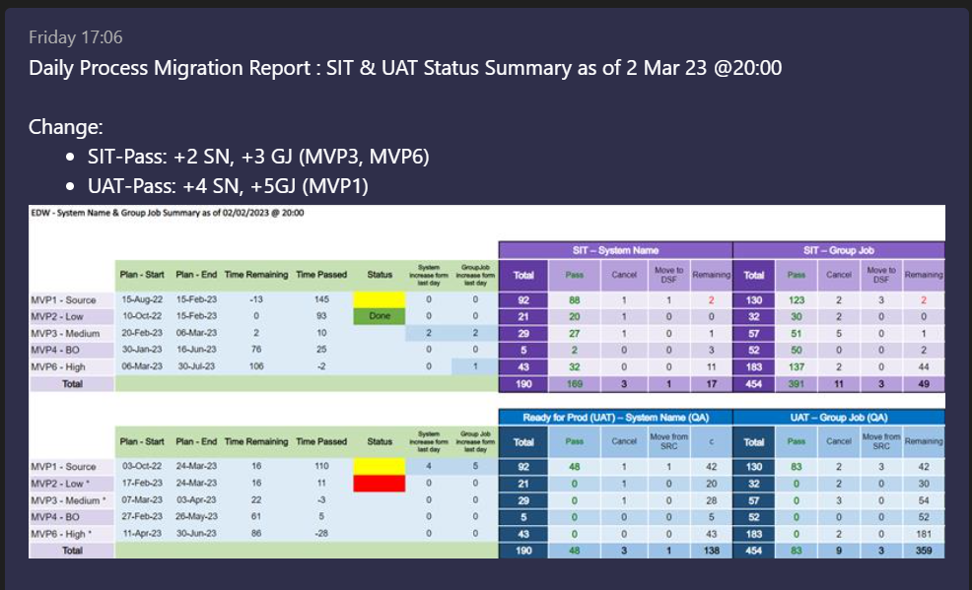
SIT System | 20/02/2023 | 21/02/2023 | 22/02/2023 | 23/02/2023 | 24/02/2023 | 27/02/2023 | 2023-02-28 | 2023-03-01 | 2023-03-02 | 2023-03-03 | 2023-03-07 | 2023-03-08 | Change
MVP1 - Source | 88 | 88 | 88 | 88 | 88 | 88 | 88 | 88 | 88 | 88 | 88 | 91 | 3
MVP2 - Low | 20 | 20 | 20 | 20 | 20 | 20 | 20 | 20 | 20 | 20 | 20 | 20 | 0
MVP3 - Medium | 1 | 8 | 9 | 8 | 8 | 8 | 22 | 25 | 25 | 27 | 27 | 20 | -7
MVP4 - BO | 0 | 0 | 0 | 0 | 1 | 1 | 2 | 2 | 2 | 2 | 2 | 4 | 2
MVP6 - High | 3 | 3 | 3 | 3 | 3 | 3 | 21 | 31 | 32 | 32 | 32 | 11 | -21

SIT – Group Job | 20/02/2023 | 21/02/2023 | 22/02/2023 | 23/02/2023 | 24/02/2023 | 27/02/2023 | 2023-02-28 | 2023-03-01 | 2023-03-02 | 2023-03-03 | 2023-03-07 | 2023-03-08
MVP1 - Source | 123 | 123 | 123 | 123 | 123 | 123 | 123 | 123 | 123 | 123 | 123 | 125 | 2
MVP2 - Low | 30 | 30 | 30 | 30 | 30 | 30 | 30 | 30 | 30 | 30 | 30 | 30 | 0
MVP3 - Medium | 10 | 29 | 32 | 31 | 31 | 31 | 46 | 49 | 49 | 51 | 51 | 39 | -12
MVP4 - BO | 15 | 44 | 44 | 44 | 45 | 45 | 49 | 49 | 50 | 50 | 50 | 50 | 0
MVP6 - High | 24 | 48 | 48 | 48 | 48 | 49 | 119 | 135 | 136 | 137 | 137 | 91 | -46

UAT System | 20/02/2023 | 21/02/2023 | 22/02/2023 | 23/02/2023 | 24/02/2023 | 27/02/2023 | 2023-02-28 | 2023-03-01 | 2023-03-02 | 2023-03-03 | 2023-03-07 | 2023-03-08
MVP1 - Source | 17 | 17 | 28 | 29 | 33 | 35 | 37 | 37 | 44 | 48 | 48 | 49 | 1
MVP2 - Low | 0 | 0 | 0 | 0 | 0 | 0 | 0 | 0 | 1 | 1 | 1 | 0 | -1
MVP3 - Medium | 0 | 0 | 0 | 0 | 0 | 0 | 0 | 0 | 0 | 0 | 0 | 0 | 0
MVP4 - BO | 0 | 0 | 0 | 0 | 0 | 0 | 0 | 0 | 0 | 0 | 0 | 0 | 0
MVP6 - High | 0 | 0 | 0 | 0 | 0 | 0 | 0 | 0 | 0 | 0 | 0 | 0 | 0
 |  |  |  |  |  |  |  |  |  |  |  |  | 0
UAT – Group Job | 20/02/2023 | 21/02/2023 | 22/02/2023 | 23/02/2023 | 24/02/2023 | 27/02/2023 | 2023-02-28 | 2023-03-01 | 2023-03-02 | 2023-03-03 | 2023-03-07 | 2023-03-08
MVP1 - Source | 39 | 55 | 59 | 61 | 65 | 69 | 71 | 71 | 78 | 83 | 83 | 84 | 1
MVP2 - Low | 0 | 0 | 0 | 0 | 0 | 0 | 0 | 0 | 2 | 2 | 2 | 0 | -2
MVP3 - Medium | 0 | 0 | 0 | 0 | 0 | 0 | 0 | 0 | 0 | 0 | 0 | 0 | 0
MVP4 - BO | 0 | 0 | 0 | 0 | 0 | 0 | 0 | 0 | 0 | 0 | 0 | 0 | 0
MVP6 - High | 0 | 0 | 0 | 0 | 0 | 0 | 0 | 0 | 0 | 0 | 0 | 0 | 0

UAT_DETAIL
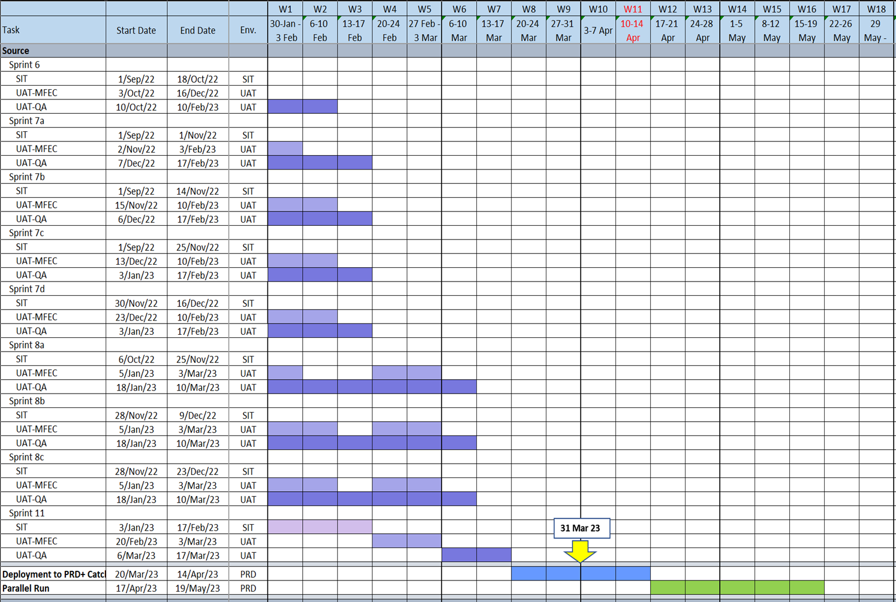
2023-03-03
SPRINT | UAT PASS TABLE | TOTAL-UAT TABLE | % UAT PASS | REMAINING TABLE | Group Job | UAT-Result | QA PASS | % QA PASS | Remark | 28/02/2023 | 2023-01-03 | 2023-01-03 | 2023-01-03 | 2023-01-03 | 2023-01-03
6 | 475 | 475 | 100.00% | - | 22 | 22 | 22 | 100.00% |  | 9,422 | 9,434 | 9,644 | 9,768 | 9,842 | 9,899
7a | 1380 | 1383 | 99.78% | 3 | 44 | 44 | 44 | 100.00% |  | 123 | 12 | 210 | 124 | 74 | 57
7b | 1771 | 1772 | 99.94% | 1 | 25 | 25 | 24 | 96.00% | 7b defect 1 024 LEAD_UL_SRC_Daily
7c | 593 | 593 | 100.00% | - | 2 | 2 | 2 | 100.00%
7d | 569 | 569 | 100.00% | - | 4 | 4 | 4 | 100.00% |  | 28/02/2023 | 2023-01-03 | 2023-01-03 | 2023-01-03 | 2023-01-03 | 2023-01-03
8a | 315 | 315 | 100.00% | - | 23 | 23 | 21 | 91.30% | 122 PMKFE_SRC_Daily Ready to QA Test on 11/01/2023 124 SDO_SRC_DAILY No Data & Not UAT-issue ID = P1-UAT-SCB-000535 : (ไม่มี data cycle 2 เลยไม่ต้องตรวจ) | 166 | 166 | 174 | 180 | 181 | 188
8b | 1026 | 1038 | 98.84% | 12 | 55 | 49 | 45 | 81.82% | 8b +1,+1ur 082 LIS_SRC_MONTHLY | 4 | 0 | 8 | 6 | 1 | 7
8c | 3154 | 3187 | 98.96% | 33 | 49 | 28 | 23 | 46.94% | 8c +4,+3ur 044 ESN_SRC_DAILY 062 CSM_SRC_Daily 114 SCF_SRC_Daily 386 AM_SRC_Daily
11 | 551 | 568 | 97.01% | 17 | 7 | 4 | 3 | 42.86% | 11 +1,+1ur 137 EWLP_SRC_DAILY(c2)
MVP2 | 65 | 126 | 51.59% | 61 | 15 | 0 | 0 | 0.00%
Total | 9,899 | 10,026 | 98.73% | 127 | 246 | 201 | 188 | 76.42%
 |  |  |  | C1 | 94 | 97 | 96 | 102.13%
 |  |  |  | C2+ND | 134 | 98 | 92 | 68.66%
 | Today | 2023-03-09
 | Plan-Source | 2023-03-10 |  | SYSTEM | GROUB JOB | UAT Result | QAPASS | Defect
 | Plan-Source:QA | 2023-03-24 |  | 4 | 5 | 5 | 6 | 1
 | Day left-QA | 12 |  | 1 | 1 | 5 | 1 | 3
 | Day left | 2
 | Done : Table | 9,899
 | Table left | 127
 | Table Rate | 64
 | Done : GJ -QA | 188
 | Done : GJ-MFEC | 201
 | GJ left | 58
 | GJ Rate : MFEC | 22.50
 | GJ Rate : QA | 4.83

 |  | 14-Feb-23 | 15-Feb-23 | 16-Feb-23 | 17-Feb-23 | 23-Feb-23
 |  |  |  | 16-Feb-23
 | Day left-QA | 24 | 25 | 26 | 26 | 22
 | Day left | 19 | 18 | 17 | 16 | 12
 | Done : Table | 6,439 | 6,452 | 6,955 | 7,383 | 8927
 | Table left | 3,434 | 3,421 | 2,918 | 2,490 | 946
 | Table Rate | 181 | 190 | 182 | 156 | 78.83
 | Done : GJ -QA | 120 | 121 | 121 | 123 | 148
 | Done : GJ-MFEC | 161 | 163 | 163 | 166 | 171
 | GJ left | 103 | 102 | 102 | 100 | 76
 | GJ Rate : MFEC | 3.26 | 3.33 | 3.75 | 3.56 | 4.42
 | GJ Rate : QA | 5.42 | 5.67 | 3.92 | 3.85 | 3.45
 | Table Rate : BL | 180 | 180 | 180 | 181 | 181
 | Success table |  | 13 | 503 | 428 | 1,544
 | Success GJ |  | 2 | 0 | 3 | 5
 | Success GJ-QA |  | 1 | 0 | 2 | 25

